Order Management
Order Management
Search by | UserId |  |  |  |  |  |  |  |  | Ex: 9424010570450
 | walletNo
 | OrderNo

View
Order ID | Customer Name | Product Name | Product Amount | Use Point | Use Pay | Order Status | Details | Action
12345 | Sapumal | bank Statement | 3000 | 1000 | 2000 | Order
 |  |  |  |  |  | Use

 |  |  |  |  |  |  |  |  |  | Approve | Cancel
 |  |  |  |  |  |  |  |  | Convenient coupon
 |  |  |  |  |  |  |  |  | Service coupon
 |  |  |  |  |  |  |  |  | Cultural life
 |  |  |  |  |  |  |  |  | Donation

Details
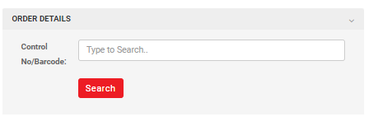
(BarCode/ Control Number)

Serial No. | Date&Time | Product Name | Used Amount | Remaining Amount | Status | Message
1 | 2022-12-22 16:00 | CU: 3000won | 0.0000 | 0.0000 | CANCEL | Success
2 | 2022-12-22 16:00 | CU: 3000won | 0.0000 | 3000.0000 | ACTIVE | Success

